08 Decision trees
The HPSPLIT Procedure

Performance Information
Execution Mode | Single-Machine
Number of Threads | 2

Data Access Information
Data | Engine | Role | Path
WORK.TRAIN | V9 | Input | On Client

Model Information
Split Criterion Used | Entropy
Pruning Method | Cost-Complexity
Subtree Evaluation Criterion | Cost-Complexity
Number of Branches | 2
Maximum Tree Depth Requested | 10
Maximum Tree Depth Achieved | 10
Tree Depth | 3
Number of Leaves Before Pruning | 104
Number of Leaves After Pruning | 5
Model Event Level | bad

Number of Observations Read | 700
Number of Observations Used | 700

The HPSPLIT Procedure

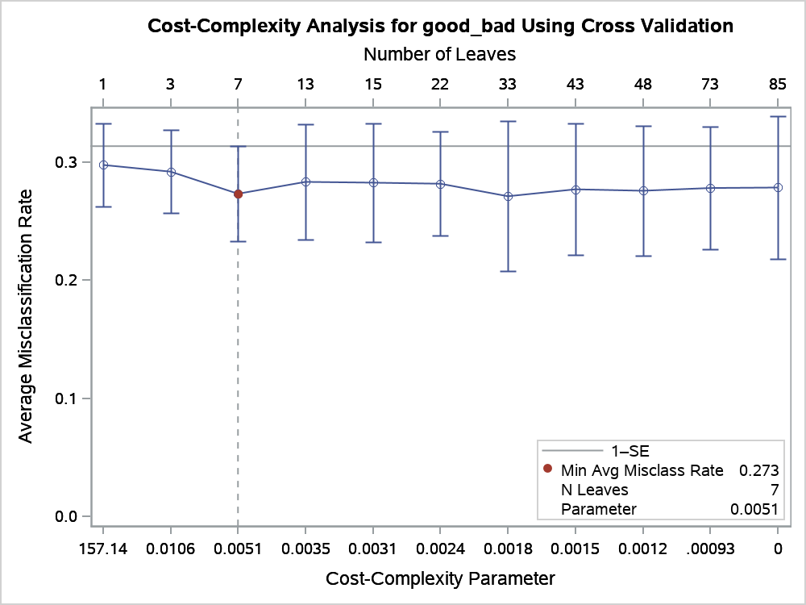

The HPSPLIT Procedure

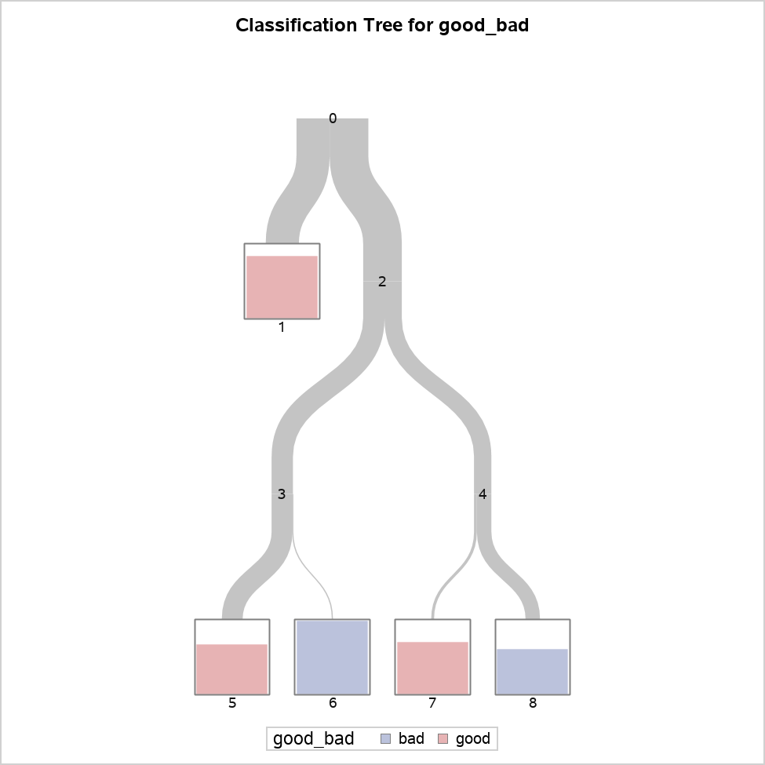

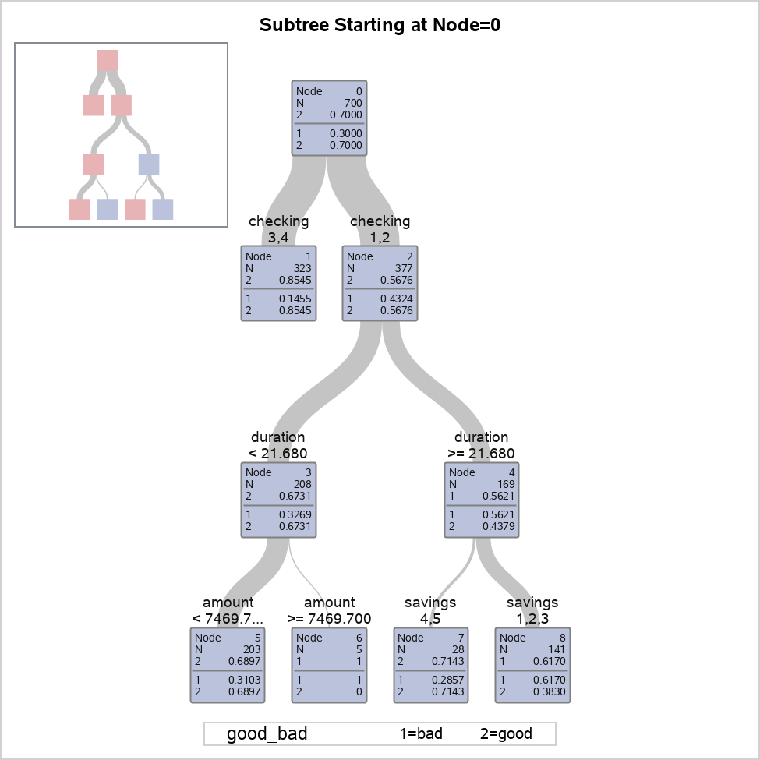

The HPSPLIT Procedure

Model-Based Confusion Matrix
Actual | Predicted |  | Error Rate
 | bad | good
bad | 92 | 118 | 0.5619
good | 54 | 436 | 0.1102

Model-Based Fit Statistics for Selected Tree
N Leaves | ASE | Mis- class | Sensitivity | Specificity | Entropy | Gini | RSS | AUC
5 | 0.1752 | 0.2457 | 0.4381 | 0.8898 | 0.7632 | 0.3504 | 245.3 | 0.7246

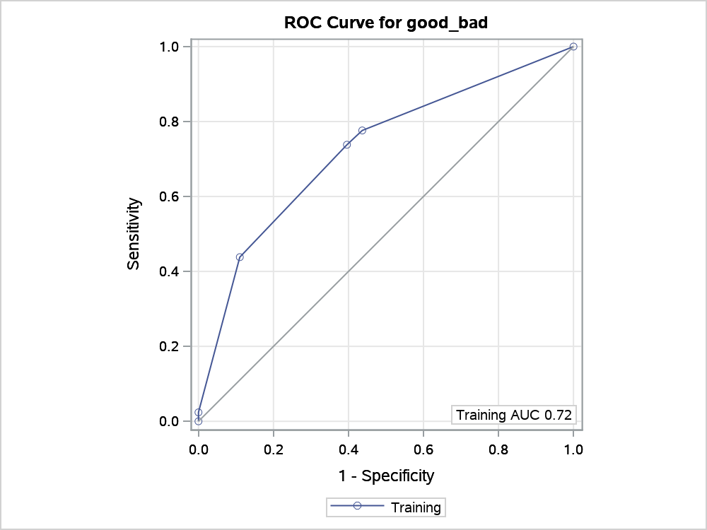

Variable Importance
Variable | Training |  | Count
 | Relative | Importance
checking | 1.0000 | 5.3505 | 1
duration | 0.6003 | 3.2120 | 1
savings | 0.4233 | 2.2646 | 1
amount | 0.4027 | 2.1545 | 1

12 ratings plots
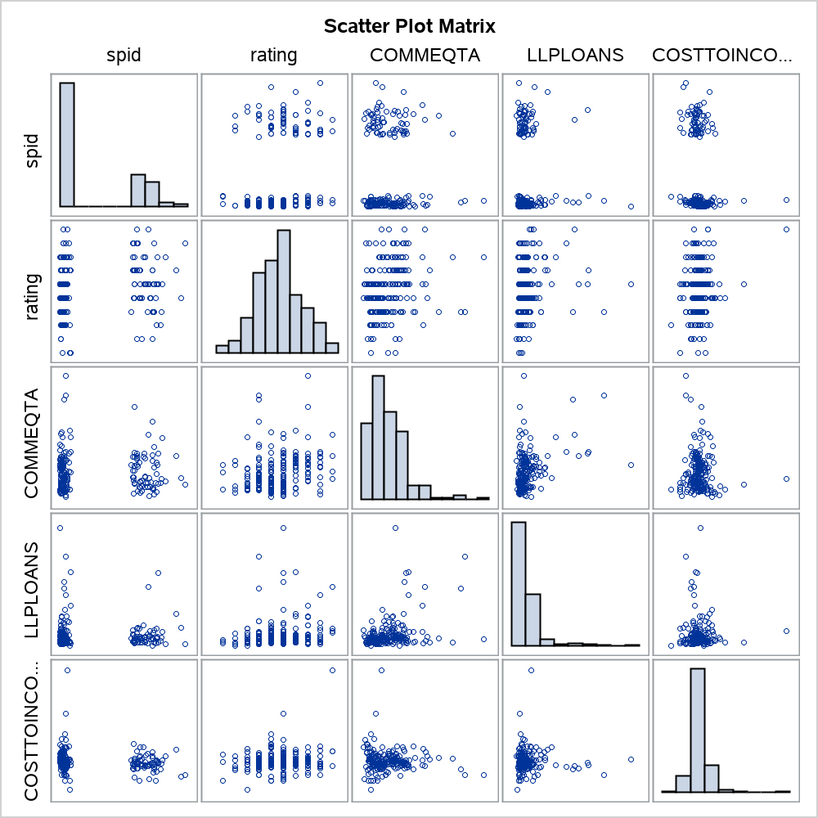
The CORR Procedure

8 Variables: | spid rating COMMEQTA LLPLOANS COSTTOINCOME ROE LIQASSTA SIZE

Simple Statistics
Variable | N | Mean | Std Dev | Sum | Minimum | Maximum
spid | 197 | 189399 | 113170 | 37311597 | 100079 | 453328
rating | 197 | 5.65990 | 1.87656 | 1115 | 1.00000 | 10.00000
COMMEQTA | 197 | 0.07071 | 0.04809 | 13.93021 | 0.00708 | 0.31757
LLPLOANS | 197 | 0.00772 | 0.01227 | 1.52059 | -0.00166 | 0.09509
COSTTOINCOME | 197 | 0.63222 | 0.21914 | 124.54696 | 0.04655 | 2.47178
ROE | 197 | 0.08839 | 0.11183 | 17.41222 | -0.49762 | 0.50115
LIQASSTA | 197 | 0.19403 | 0.16449 | 38.22321 | 0.00652 | 0.81665
SIZE | 197 | 18.08638 | 1.61717 | 3563 | 10.59220 | 21.43470

Pearson Correlation Coefficients, N = 197 Prob > |r| under H0: Rho=0
 | spid | rating | COMMEQTA | LLPLOANS | COSTTOINCOME | ROE | LIQASSTA | SIZE
spid | 1.00000 | 0.21041 0.0030 | 0.00061 0.9932 | -0.04845 0.4990 | -0.16899 0.0176 | -0.08844 0.2165 | -0.11938 0.0947 | -0.21417 0.0025
rating | 0.21041 0.0030 | 1.00000 | 0.20499 0.0039 | 0.15120 0.0339 | 0.17263 0.0153 | -0.13146 0.0656 | -0.33093 <.0001 | -0.46301 <.0001
COMMEQTA | 0.00061 0.9932 | 0.20499 0.0039 | 1.00000 | 0.36983 <.0001 | -0.06910 0.3346 | 0.10169 0.1551 | -0.42007 <.0001 | -0.48145 <.0001
LLPLOANS | -0.04845 0.4990 | 0.15120 0.0339 | 0.36983 <.0001 | 1.00000 | -0.03905 0.5858 | 0.18279 0.0101 | -0.18793 0.0082 | -0.04550 0.5255
COSTTOINCOME | -0.16899 0.0176 | 0.17263 0.0153 | -0.06910 0.3346 | -0.03905 0.5858 | 1.00000 | -0.32365 <.0001 | 0.10709 0.1342 | 0.12586 0.0780
ROE | -0.08844 0.2165 | -0.13146 0.0656 | 0.10169 0.1551 | 0.18279 0.0101 | -0.32365 <.0001 | 1.00000 | -0.07134 0.3192 | -0.10809 0.1306
LIQASSTA | -0.11938 0.0947 | -0.33093 <.0001 | -0.42007 <.0001 | -0.18793 0.0082 | 0.10709 0.1342 | -0.07134 0.3192 | 1.00000 | 0.33618 <.0001
SIZE | -0.21417 0.0025 | -0.46301 <.0001 | -0.48145 <.0001 | -0.04550 0.5255 | 0.12586 0.0780 | -0.10809 0.1306 | 0.33618 <.0001 | 1.00000

14 Roc plot
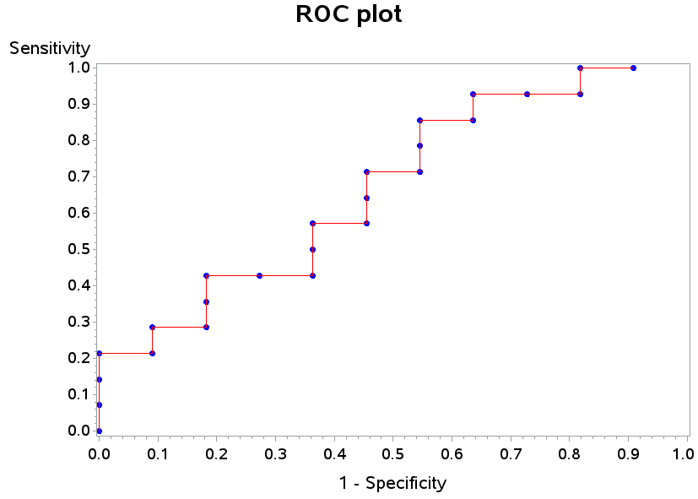

15 KS plot
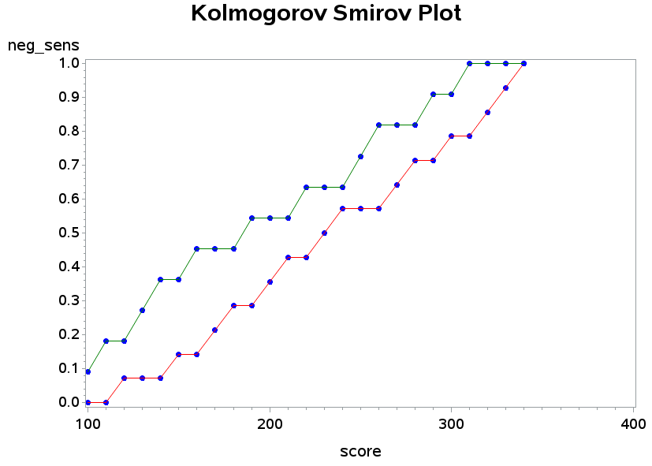

16 Cap plot
